spatial and non spatial models
Table S7. Sensitivity analyses - environmental correlates
predictor importance (consistent results for SAR and GLM highlighted in blue)
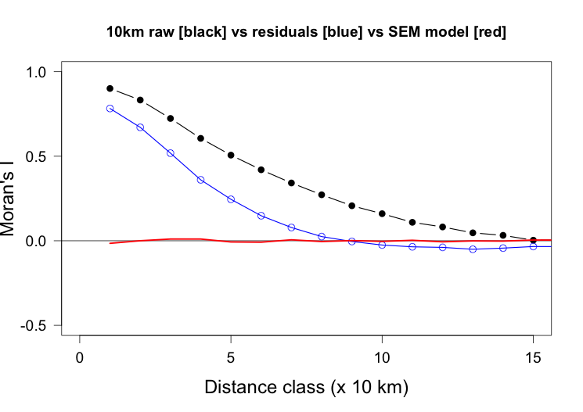
All predictors, 5% divergence dataset
Best GLM
formula | AIC | delta_AIC | weight
div ~ 1 + foreststability_120k + topographic_heterogeneity + bio1 + bio4 + bio12 + bio14 + anom_bio1 + anom_bio12 | 2266.51 | 0 | 0.98

Model contributions | GLM |  | SAR
Predictor | Estimate | p | std. coeff | p
foreststability_120k | 0.148 | 2.50E-02 | 0.006 | 4.58E-01
bio1 | 0.134 | 0.019 | -0.061 | 7.56E-08
bio4 | -0.154 | 0.02 | 0.032 | 0.13
bio12 | 0.122 | 2.30E-02 | 0.036 | 1.50E-01
bio14 | 0.466 | 0.019 | 0.185 | 1.77E-12
topographic_heterogeneity | 0.028 | 0.017 | 0.016 | 0.0001
anom_bio1 | -0.099 | 0.022 | -0.003 | 0.54
anom_bio12 | -0.091 | 0.019 | -0.099 | 3.26E-11

Removed bio14, 2% divergence dataset
Best GLM
formula | AIC | delta_AIC | weight
div ~ 1+ topographic_heterogeneity + bio1 + bio4 + bio12 + anom_bio1 + anom_bio12 | 3804.20 | 0 | 0.70

Model contributions | GLM |  | SAR
Predictor | Estimate | p | std. coeff | p
bio1 | 0.174 | 0.025 | -0.062 | 7.28E-06
bio4 | 0.042 | 0.025 | 0.041 | 6.10E-02
bio12 | 0.2 | 2.70E-02 | 0.131 | 2.49E-08
topographic_heterogeneity | 0.083 | 0.022 | -0.017 | 9.19E-05
anom_bio1 | -0.391 | 0.024 | -0.003 | 0.563
anom_bio12 | -0.148 | 0.025 | -0.087 | 3.88E-09

Removed bio14, 5% divergence dataset
Best GLM
formula | AIC | delta_AIC | weight
div ~ 1+ topographic_heterogeneity + bio1 + bio4 + bio12 + anom_bio1 + anom_bio12 | 3804.20 | 0 | 0.52

Model contributions | GLM |  | SAR
Predictor | Estimate | p | std. coeff | p
bio1 | 0.171 | 0.027 | -0.067 | 7.40E-09
bio4 | 0.042 | 0.026 | 0.048 | 0.029
bio12 | 0.193 | 3.10E-02 | 0.118 | 5.37E-07
topographic_heterogeneity | 0.078 | 0.023 | -0.015 | 0.001
anom_bio1 | -0.405 | 0.024 | -0.003 | 0.588
anom_bio12 | -0.154 | 0.027 | -0.086 | 1.07E-08

